Registration Fees (Simple)
 | KV Karate Registration

 |  | First Name: |  |  | Last Name:
 |  | Parent / Guardian:
 |  | Address:
 |  | City |  |  |  | Postal Code:
 |  | Email |  |  |  | Phone

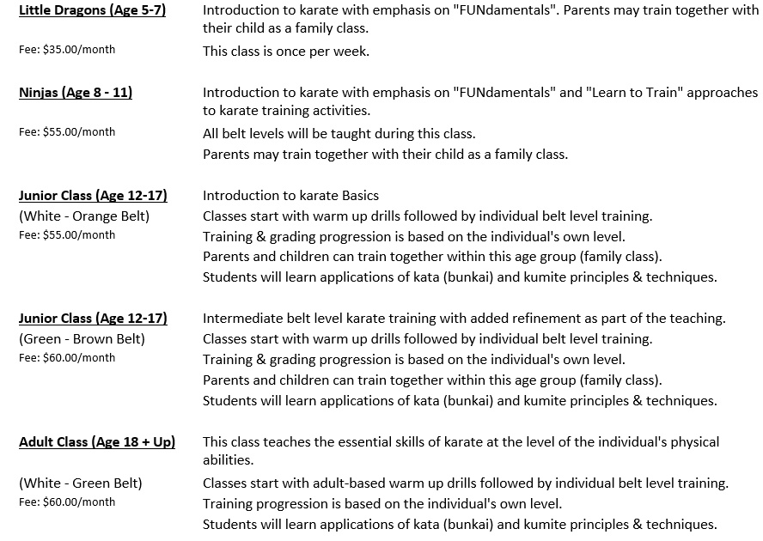
 |  |  | Member# (if applicable)
 |  |  | Date of Birth |  |  |  |  | Yrs Old
 |  |  | Gender
 |  |  | Rank (Belt)
 |  |  | Classes |  |  |  |  | /month
 |  |  | Kobujutsu (Weapons) |  |  |  |  | /month
 |  |  | Competition Classes |  |  |  |  | /month
 |  |  |  |  |  | Sub total (Classes) | $0.00 | /month
 |  |  |  |  | Discounts |  | (Filled out by KV Karate)
 |  |  | Junshidoin |  |  |  |  | /month
 |  |  | Shidoin |  |  |  |  | /month
 |  |  | Teaching Assitant |  |  |  |  | /month
 |  |  | Other |  |  |  |  | /month
 |  |  |  |  |  | Sub total (Discounts) | $0.00 | /month
 |  |  |  |  |  | Classes - Discounts | $0.00 | /month

 |  |  |  |  |  | Yearly Association Fees: | 105 | /year
 |  |  |  |  |  | Yearly Lump Sum Payment: | $105.00 | /year

 |  |  |  |  | Monthly Fee:
 |  |  |  |  |  | Yearly Association Fees: | 105 | /year
 |  |  |  |  |  | Banking Admin Fee: | 25 | /year
 |  |  |  |  | 1st month of the year |  | $107.08
 |  |  |  |  | Next 11 months |  | $2.08 | /month

 | Payment Methods:
 | Monthly payments are due at the first of each month.
 | Payment method will be pre-authorized monthly bank payment or equivalent (no cash or cheques).
 | Member discounts cannot be combined (ex. family discount + Individual discount).
 | Memberships are yearly - 12 months.
 | A Cancellation Fee equivalent to 2 months of payments will be charged to members who do not complete the annual payment cycle.
 | A $25.00 Administration fee will be charged to all members necessary to setup bank services and to process payments.

Important Message to all Parents and Students
In order to protect the instructors of the club from all manner of claims made by students with regard to their state of health and possible complications arising from Karate, we would appreciate the completion of the questions below. Please indicate any other health/medical concerns on this sheet or attach a more complete statement if required.

Description |  |  |  |  |  |  |  | Yes/No | Comments
Diabetes
Nervous or Mental condition
Any disorders of muscles, joints or bones
Epilepsy, dizziness, fainting, severe headaches
Heart problems, asthma, emphysema or disorder of the lungs
Allergies
Do you wear a Medic Alert bracelet and for what reason

The answers by me are complete and true, I hereby agree to indemnify the Kennebecasis Valley Karate Club and
its instructors and members of and from all manner of claims made by or on behalf of the student named above.

Date : |  |  |  | Signature:
 |  |  |  |  | Applicant (or Parent/Guardian if under age)
Participant’s Indemnity and Release
The undersigned acknowledges and agrees that:
- Karate can be physically and mentally challenging,
- Karate is practiced without protective clothing and equipment,
- I am participating voluntarily in karate activities, events, & training, thereby exposing myself to risks and hazards,
- I agree to accept these risks and hazards and be responsible for any injury, damage or other loss which I might receive,
- There are physical risks and hazards inherent in karate including, but not limited to, injuries resulting from ongoing physical contact with the instructor and other students, striking objects with parts of the body; tumbling, falling, or being thrown to the floor; strenuous cardiovascular workouts; exerting and stretching various muscle groups; executing self-defense escapes & techniques; and additional risks associated with travel to & from competitive events and associated with non-competitive events which are an integral part of karate activities,
- Injuries sustained in karate can be severe.

In consideration of acceptance of my membership ( or the membership of my child or ward) in Kennebecasis Valley Karate Club (KVKC), New Brunswick Chito-Ryu Association (NBCRA), Canadian Chito-Ryu Karate-do Association (CCRA), &/or Karate New Brunswick (KNB) and National Karate Association (NKA), or my being permitted to participate in the activities sponsored by or carried on by any of these organizations,

COVID-19
KV Martial Arts has taken reasonable measures to protect members from C-19 as laid out in it's Operating Plan as mandated by the Province of N.B. However, KV Karate cannot be responsible for measures beyond it's control and it is up to each individual member to take appropriate measures with respect to Covid - 19 safety precautions. It is up to each individual member to "self monitor" for any potential symptoms or contacts that might threaten their health and that of those around them. Individuals that experience any symptoms of Covid - 19, or have been exposed to individuals with symptoms must abstain from entering the dojo, or coming into contact with other members.

I, ______________________ agree to keep indemnified, release and save harmless any and all of the KVKC, NBCRA, CCRA, KNB, & NKA, and any of these organizations’ member clubs, organizers, respective directors, agents, officials, instructors, servants and representatives from and against all claims, actions, costs, expenses and demands with respect to injuries, death, loss or damage to my person or property (or to the person or property of my child or ward) howsoever caused, arising out of or in connection with my membership in and/or participation in classes, competitions, tournaments, demonstrations, or any other activities hosted, arranged, sponsored or held by any or all of the above named organizations and notwithstanding that the same may have been contributed to or occasioned by the negligence of the said organizations or any of them, their agents, officials, servants, or representatives. It is understood and agreed that this Participant’s Indemnity and Release is to be binding on myself, and my heirs, executors and assigns.

 |  |  |  |  | In witness whereof I have hereunder set my hand and seal this |  | day of |  | , 2020

Signature (parent/guardian in the case of a minor) |  |  |  |  |  |  |  |  |  |  | Witness

EMERGENCY CONTACT INFORMATION
Name: |  |  |  |  |  |  |  |  |  | Phone:
Name: |  |  |  |  |  |  |  |  |  | Phone:
Name: |  |  |  |  |  |  |  |  |  | Phone:

